Sheet1
 |  |  |  |  |  |  |  |  |  |  |  | FAX INFO :

 |  |  |  |  |  |  |  |  |  | To:
 |  |  |  |  |  |  |  |  |  | Cc:
 |  |  |  |  |  |  |  |  |  | From: |  | Andy Furman
 |  |  |  |  |  |  |  |  |  | Date:
 |  |  |  |  |  |  |  |  |  | # of Pages:

Factory: | GBAG

Sold To: | Apparel Image |  |  |  |  | Ship To: |  | Porsche Logistics Services
 | 300 Colonial Parkway, Suite 100 |  |  |  |  |  |  | 1855 W. Renaissance Parkway
 | Roswell, GA 30076 |  |  |  |  |  |  | Rialto, CA 92376
Contact: | Andy Furman
Phone: | (7707771175 |  |  |  |  | Attn: |  | Chris Cramer - Rennsport
Fax: | (7707774155 |  |  |  |  | Tape #
Email: | andy@apparelimage.com |  |  |  |  | Email:

Date | Sales Rep |  | Purchase Order # |  | In Hands |  |  |  | Shipped Via |  |  |  | Terms
2023-06-20 | Andy Furman |  | A9642(GBAG) |  | 2023-08-31 |  |  |  | Ground |  |  |  | Net 30
Qnty. | Cat. # |  | Description | XS | S | M | L | XL | 2XL | 3XL | 4XL | 5XL | Price | Amount
0 |  |  |  |  |  |  |  |  |  |  |  |  | $0.00 | $0.00
3000 | L1214 | 15" x 13" x 8" 130g non-woven pp w/ 20" Black Webbing Strap |  |  |  |  |  |  |  |  |  |  | $1.39 | $4,170.00
6 | Print Plates | Set-up Print Plates - Estimated Qtys TBD |  |  |  |  |  |  |  |  |  |  | $150.00 | $900.00
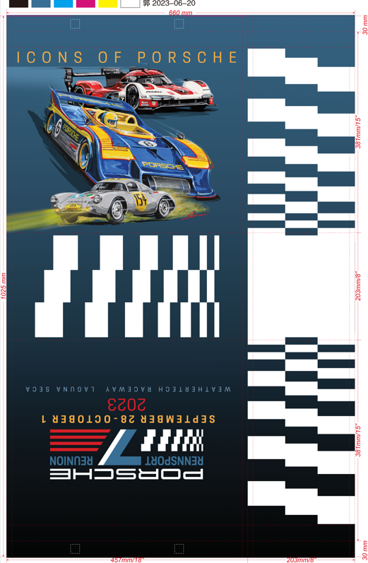

Reverse Side of Label information
Apparel Image
apparelimage.com
770.777.11175
Part # PNA00000318

3006 |  |  | Total | 0 | 0 | 0 | 0 | 0 | 0 | 0 | 0 | 0 |  | $5,070.00
Special Instructions:
Send photos of the production sample for final proof.

Andy Furman

